README
Emission Rates from AVERT
Provisional draft May 2025

What is AVERT?
The AVoided Emissions and geneRation Tool (AVERT) is a free EPA tool with a simple user interface. Environmental agency staff, air quality planners, energy officials, public utility commission staff, and others can use AVERT to evaluate the change in particulate matter (PM2.5), carbon dioxide (CO2), nitrogen oxides (NOX), sulfur dioxide (SO2), volatile organic compound (VOC), and ammonia (NH3) emissions from electric power plants as a result of energy policies and programs such as energy efficiency and renewable energy (EE/RE). AVERT calculates emissions impacts based on actual historical hourly patterns in generation by electric power plants within the contiguous 48 states and DC.

Emission Rates
AVERT uses a peer-reviewed methodology to analyze electric power sector impacts on an hour-by-hour basis, but it can also produce annual emission rates for each AVERT region and for the nation. The tables in this file provide annual average marginal emission rates for specific EE/RE resources, which EPA pre-generated by running AVERT with data for each year from 2017 to 2024.

When to Use AVERT Emission Rates
The emission rates presented here are intended for quick estimates of avoided emissions from EE/RE programs, policies, or projects. For more detailed planning, download and use AVERT to generate a custom analysis that accounts for seasonal and time-of-day variations or to analyze different EE/RE combinations. The emission rates in this compendium were calculated by assuming a 0.5% displacement of the existing demand in each AVERT region. They are divided into eight categories: onshore wind, offshore wind, utility-scale photovoltaic (PV), distributed PV, utility-scale PV-plus-storage, distributed PV-plus-storage, portfolio EE, and uniform EE. Use the portfolio EE rates if you are assessing a wide range of EE programs. Use the uniform EE rates if energy savings are consistent throughout the year. If you have a RE project, use the appropriate RE technology type: onshore wind, offshore wind, utility PV, distributed PV, utility-scale PV-plus-storage, or distributed PV-plus-storage. Emission rates should not be used to examine the emission impacts of changes that extend more than 5 years into the future. All avoided emission rates in this document were produced on a net generation basis. Emission rates for uniform EE, portfolio EE, distributed PV, and distributed PV-plus-storage have already been adjusted to account for transmission and distribution (T&D) losses. These emission rates can be multiplied by retail-level EE savings or DPV generation to determine grid-level emission impacts, without the user having to make any further T&D adjustments. To illustrate using emission factors for load reductions made at the retail level (energy efficiency and distributed PV, but not utility PV or wind), consider a New England regional program that is expected to reduce retail-level load by 100 MW evenly across every hour of 2024: 100 MW x 8,760 hours x 1,109 lb CO2/MWh = 971.4 million lb CO2 Note that the effect of T&D losses is included in published emission

AVERT Regions

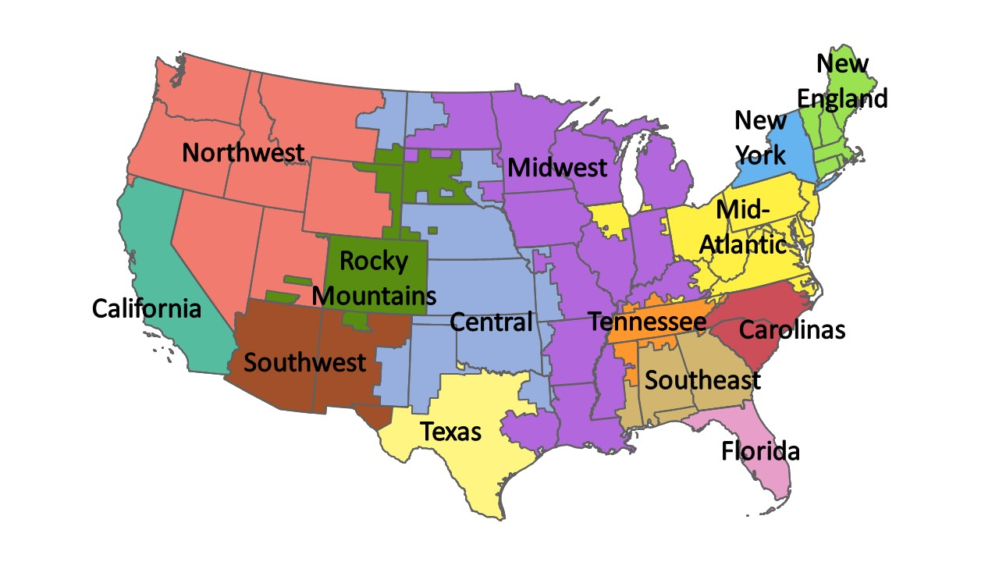

The AVERT regions are generally aggregations of balancing authorities, and are similar, but not identical, to the mapping used in EIA's Hourly Electric Grid Monitoring dataset (EIA 930). This map is for representational purposes only, as the interconnectedness of regions means that the boundaries drawn here are only approximate.

Using Capacity Factors for Wind and PV Power Generation
Estimating avoided emissions of wind and solar projects involves multiplying the appropriate emission factor from this document (in pounds per megawatt-hour [MWh]) by the size of the RE resource and the RE technology’s capacity factor. It is not appropriate to simply multiply the emission rate by the size of the RE installation because a wind turbine or PV panel may only occaisionally achieve its maximum possible output under actual operating conditions. This is a consequence of natural hourly, daily, and seasonal fluctuations in wind speed, cloud cover, the sun’s angle of incidence, and hours of sunlight per day. These factors all vary regionally; for example, the Southwest has more sunny days per year than New England. To estimate avoided emissions from wind or PV, multiply the RE capacity by an additional capacity factor that reflects actual operating conditions. If actual capacity factors are unavailable, the table on the next worksheet provides an average capacity factor for wind and PV resources for each AVERT region as well as the contiguous 48 states, for national-scale analysis. These factors reflect annual averages based on the hourly RE profiles embedded in AVERT. Appendix C of the AVERT User Manual describes how these hourly profiles were developed.

Example
For illustration, consider the avoided PM2.5 emissions from a project to add 100 MW of onshore wind capacity in the Texas region:
 | Annual generation = capacity factor for RE technology (0.3457) × installed capacity (100 MW) x hours in a year (8,760 hours, except leap years) = 302,833 MWh Avoided PM2.5 emissions = avoided electricity generation (296,614 MWh) × emission factor (0.08 lb/MW h) = 23,729 lb
 | Avoided PM2.5 emissions = avoided electricity generation (302,833 MWh) × emission rate (0.07 lb/MWh) = 20,144 lb PM2.5

Unit Conversions
1 MW = 1,000 kW = 0.001 GW. To convert units from power (kW, MW, GW) to energy (kWh, MWh, GWh), multiply by the total number of hours in the year. To convert in the other direction, divide by the total number of hours in the year. There are 8,760 hours in a non-leap year and 8,784 hours in a leap year. All entered values should be in terms of MW-AC, not MW-DC.

Emissions Accounting and Claims
Although the avoided emission estimates provided by AVERT are intended to support RE initiatives, AVERT is a marginal emissions assessment tool and not a tool for emissions accounting. EPA cautions RE users and retailers from using AVERT’s avoided emissions estimates to take or give credit for emission reductions, particularly in corporate greenhouse gas (GHG) accounting and reporting. While RE users that own renewable energy certificates (RECs) or similar market-based energy attribute certificates have unique ownership and claim to the emissions attributes of the associated electricity generation, they generally do not have a unique claim to the impacts on regional grid operations and emissions. Corporate GHG accounting typically includes an inventory of emissions associated with purchased electricity, but not an assessment of the impact of an organization’s purchased electricity on regional grid emissions. Organizations interested in quantifying RE’s impact on regional grid emissions should consider project accounting. This type of emissions accounting is designed to quantify the benefits of emission mitigation projects.

Utility PV-Plus-Storage and Distributed PV-Plus-Storage Assumptions
Utility PV-plus-storage and distributed PV-plus-storage resources were each modeled using a ratio of 1.65 times higher PV capacity as compared to storage capacity. For example, if the PV capacity was modeled at 165 MW, the paired 4-hour storage resource was modeled at 100 MW. This ratio was based on a 2023 NREL study, U.S. Solar Photovoltaic System and Energy Storage Cost Benchmarks, With Minimum Sustainable Price Analysis: Q1 2023, which used a similar ratio of 1.6 to 1.7 MW to 1 MW for its solar to storage ratio. Additionally, the utility and distributed PV-plus-storage resources were each modeled with the PV and storage resources acting as a paired system (rather than two distinct systems). Source: Ramasamy, Vignesh, Jarett Zuboy, Michael Woodhouse, Eric O’Shaughnessy, David Feldman, Jal Desai, Andy Walker, Robert Margolis, and Paul Basore. 2023. U.S. Solar Photovoltaic System and Energy Storage Cost Benchmarks, With Minimum Sustainable Price Analysis: Q1 2023. Golden, CO: National Renewable Energy Laboratory. NREL/TP7A40-87303. Available at: https://www.nrel.gov/docs/fy23osti/87303.pdf.

